Table 7
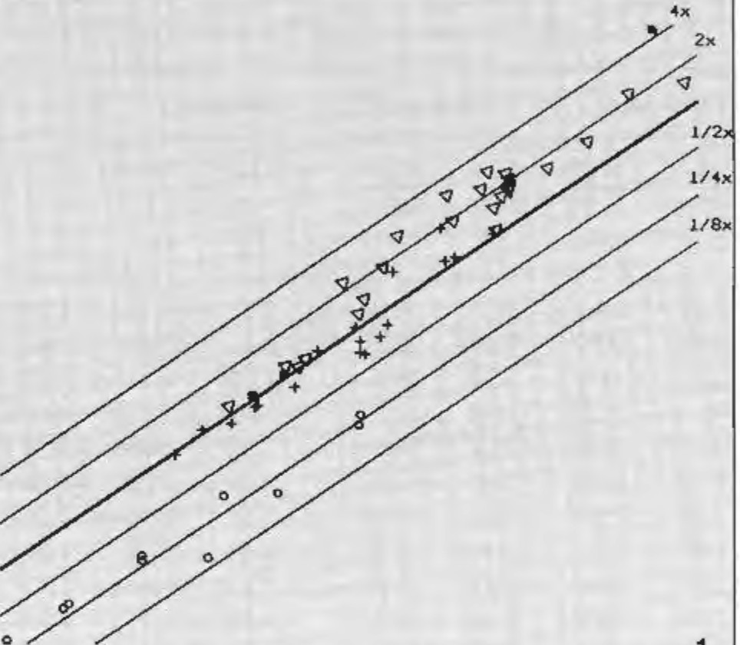
w
3
<J) ::, w _J u ::> z 0a:: 2 _J _J Cwl 0w: u ci!-1 0w: .... a: ...J w .I: ::> 50 > -8' | l 2 3 109 BOOY \/EIGHT |  |  |  | Fig. I. Lateral cerebellar nu-cleus (LCN) volume plotted against body weight (BoW) on a double log-arithmic scale. The volumes are in mm : the weights in grams. The thick reference line is placed through the average for prosimians. Its slope is determined by least square regression analyses within primate families and subfamilies. The thinner parallel lines are in dis-tances of0.30 I (i.e. in multiples and fractions of 2) and correspond to the indices given in table II. and scaled in figures 3 and 7. o = lnsec-tivora; ■ = Scandentia; + = prosim- 5 ians: " = non-human simians: * = man.
.. ---H0/10 ; ---N0N-HUr'IA/i SJHIANS .. � -scAN0ENTIA -PROSIMJANS f --- INSECTIVORA 3
::,
s 2.S
w
"'
z
l
{
"_{c}'_{c}
...
:":', .., u :z,: 2 .:!., .., w CD a: w 1.S .u., cc ... 0 w ,: |  | ---NON-HUHAN SlHII\NS |  | Ul .w., u :z:, ."c.'c, 3 -w' CD "aw' : u c-'c ."'.. 2 ..,
"w' u .. |  | ---PROSIHIANS ---SCANOENTIA | .".'. u ...
0 ... |  | .. ---HOMO 0z
o.s i ---INSECTIV0RA
0 2 0

Table 10
Percentages Indices
 | TCN CER | MCN -- TCN | JCN -- TCN | LCN TCN | TCN | MCN | ICN | LCN | VPo | CER | NEO
 | (J) | (2) | (3) | (4) | (5) | (6) | (7) | (8) | (9) | (10) | (11)
 | 2.81 | 23.8 | 40.9 | 35.3 | 0.31 | 0.23 | 0.44 | 0.27 | 0.04 | 0.19 | 0.072
 | 3.24 | 29.5 | 26.7 | 43.8 | 0.99 | 0.94 | 0.94 | 1.07 | 0.66 | 0.69 | 0.52
 | 2.03 | 31.7 | 27.8 | 40.5 | 0.63 | 0.64 | 0.62 | 0.63 | 0.41 | 0.70 | 0.55
 | 2.14 | 31.6 | 21.5 | 46.9 | 0.84 | 0.84 | 0.63 | 0.97 | 0.64 | 0.88 | 0.74
 | 2.53 | 28.5 | 32.3 | 39.2 | 0.96 | 0.87 | 1.10 | 0.93 | 0.91 | 0.85 | 0.81
 | 2.25 | 31.6 | 27.9 | 40.5 | 1.00 | 1.00 | 1.00 | 1.00 | 1.00 | 1.00 | 1.00
 | 1.97 | 36.6 | 26.9 | 36.5 | 0.97 | 1.13 | 0.92 | 0.87 | 0.98 | 1.10 | 1.07
 | 2.37 | 33.1 | 28.5 | 38.4 | 0.90 | 0.96 | 0.91 | 0.85 | 1.02 | 0.86 | 1.09
 | 1.96 | 35.6 | 22.6 | 41.8 | 0.84 | 0.96 | 0.67 | 0.87 | 0.98 | 0.96 | 1.12
 | 2.50 | 30.4 | 31.2 | 38.4 | 1.48 | 1.44 | 1.64 | 1.39 | 1.40 | 1.32 | 1.34
 | 2.61 | 34.3 | 28.8 | 36.9 | 1.22 | 1.34 | 1.24 | I.II | 1.31 | 1.06 | 1.70
 | 2.05 | 23.0 | 28.6 | 48.4 | 1.64 | 1.20 | 1.66 | 1.95 | 2.26 | 1.79 | 1.74
 | 3.02 | 20.4 | 30.5 | 49.0 | 1.54 | 1.01 | 1.66 | 1.87 | 2.58 | 1.16 | 1.94
 | 2.42 | 26.5 | 27.6 | 45.9 | 1.33 | l.08 | 1.30 | 1.53 | 2.20 | 1.28 | 2.04
 | 2.63 | 28.2 | 28.0 | 43.8 | 1.55 | 1.38 | 1.54 | 1.68 | 2.23 | 1.35 | 2.27
 | 2.72 | 25.0 | 29.3 | 45.7 | 1.55 | 1.23 | 1.61 | I.74 | 2.55 | 1.30 | 2.41
 | 2.63 | 25.2 | 27.6 | 47.2 | 1.71 | 1.39 | 1.69 | 1.97 | 2.69 | l.49 | 2.55
 | 2.53 | 23.0 | 27.5 | 49.6 | 1.56 | 1.14 | 1.52 | 1.90 | 3.04 | l.48 | 2.76
 | 2.74 | 21.4 | 31.0 | 47.6 | 1.55 | l.09 | 1.71 | 1.79 | 3.08 | 1.28 | 2.84
 | J.63 | 12.3 | 18.9 | 68.8 | 1.33 | 0.54 | 0,98 | 2.18 | 4.48 | 1.80 | 3.04
 | 2.45 | 18.5 | 27.0 | 54.5 | 1.56 | 0.93 | 1.50 | 2.09 | 3.73 | 1.59 | 3.18
 | J. J 9 | 10.3 | 12.6 | 77.1 | 2.39 | 0.79 | 1.06 | 4.54 | 9.44 | 4.50 | 9.63
 | 2.22 | 32.4 | 28.9 | 38.7 | 0.91 | 0.94 | 0.94 | 0.87 | 0.89 | 0.93 | 0.90
 | 2.37 | 33.1 | 28.5 | 38.4 | 0.90 | 0.96 | 0.91 | 0.85 | 1.02 | 0.86 | 1.09
 | 2.25 | 29.8 | 25.9 | 44.3 | 1.18 | 1.10 | 1.14 | 1.27 | 1.16 | 1.18 | I.II
 | 3.02 | 20.4 | 30.6 | 49.0 | 1.54 | 1.01 | 1.66 | 1.87 | 2.58 | 1.16 | 1.94
 | 2.84 | 30.8 | 28.4 | 40.8 | 1.62 | 1.55 | 1.62 | 1.67 | 2.06 | 1.29 | 2.18
 | 1.99 | 20.4 | 26.8 | 52.8 | 1.34 | 0.86 | 1.29 | 1.74 | 2.74 | 1.53 | 2.54
 | 2.95 | 2!.0 | 30.2 | 48.8 | 1.54 | 1.07 | 1.66 | 1.80 | 3.05 | 1.16 | 2.71
 | 2.59 | 21.7 | 31.6 | 46.7 | 1.56 | 1.10 | 1.74 | 1.79 | 3.11 | 1.36 | 2.94
 | J.34 | Jl.2 | 14.9 | 74.0 | 1.03 | 0.36 | 0.53 | l.87 | 4.03 | 1.71 | 2.94
 | 2.22 | 14.6 | 27.1 | 58.3 | I.95 | 0.91 | 1.87 | 2.81 | 5.38 | 1.98 | 3.22
 | 1.19 | 10.3 | 12.6 | 77.1 | 2.39 | 0.79 | l.06 | 4.54 | 9.44 | 4.50 | 9.63
--
'
I In lnsectivora the ventral pons is included in the cerebellum. The average index of the neoconex given for lnsectivora in pan I differs somewhat from the value given here due to different numbers of species (2 and 10, respectively).

Table 13
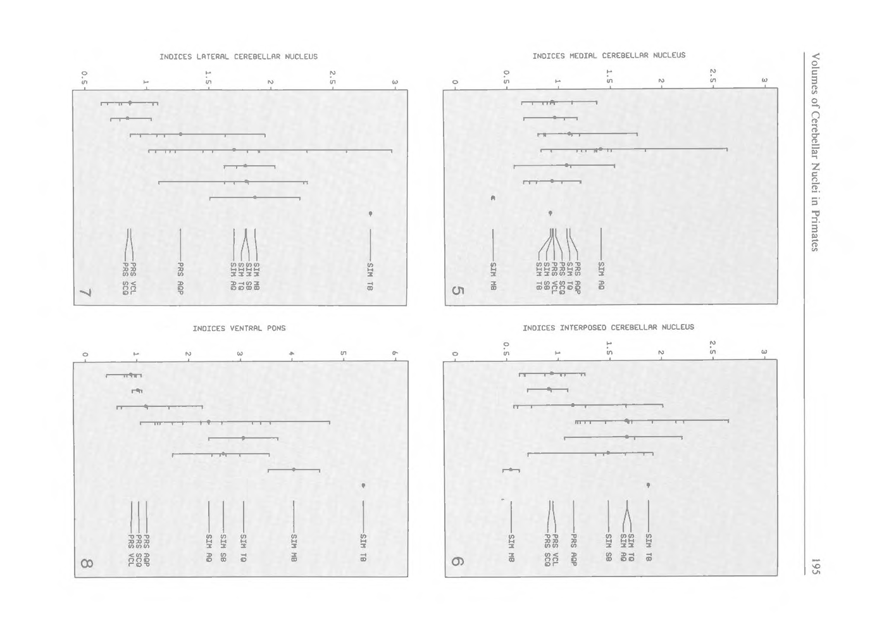
from the primates. Because of the relatively large cerebellum, the VPo:cerebellum ratio is
the lowest among all the taxonomic groups. The brain stem appears to be relatively large in Insectivora, since the percentage of VPo relative to this structure is by far the lowest found in all our material: less than 1/200 of the brain stem is VPo. All data point to a primitive status of locomotor ability among Insectivora in comparison to the other groups under investigation. | Fi11. 5-8. Indices of the medial (S), interposed (6), and lateral (7) cerebellar nuclei and of the ventral pons (8) in various locomotor types of primates. PRS AQP = Prosimian arboreal quadrupeds (n: 6); PRS SCQ = prosimian slow-climbing quadrupeds {n = 3); PRS VCL = prosimian vertical clingers and leapers (n = 9); SIM AQ = simian arboreal quadrupeds (OAQs + NAQs; n = 13); SIM MB = simian modifie(I brachiators (n = 2); SIM SB = simian semibrachia1ors (OSBs and NSBs; n= 6); SIM TB= simian true brachiator (n = I); SIM TQ: simian terrestrial quadrupe(ls (n = 3).
Downloaded by: UCL 144.82.99.174 - 6/27/2014 9:10:16 PM

